Annual
Account Churn Rate: Available To Renew
Annual Contract
 | Month 1 | Month 2 | Month 3 | Month 4 | Month 5 | Month 6 | Month 7 | Month 8 | Month 9 | Month 10 | Month 11 | Month 12
Churned Accounts | 7 | 4 | 12 | 15 | 9 | 11 | 19 | 7 | 2 | 14 | 18 | 22
Accounts Available To Renew (ATR) | 101 | 101 | 102 | 102 | 102 | 102 | 103 | 103 | 104 | 105 | 105 | 106
New Accounts | 10 | 11 | 12 | 13 | 14 | 15 | 16 | 17 | 18 | 19 | 20 | 21
Total Active Accounts | 1210 | 1214 | 1222 | 1223 | 1222 | 1228 | 1233 | 1231 | 1242 | 1259 | 1265 | 1268

Churn Rate: ATR | 6.94% | 3.95% | 11.78% | 14.72% | 8.84% | 10.75% | 18.49% | 6.82% | 1.93% | 13.34% | 17.08% | 20.82%

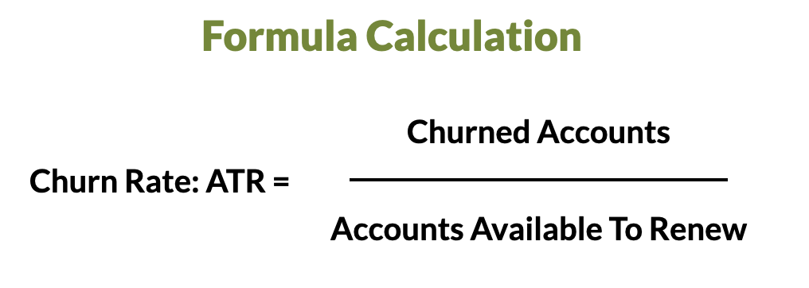

© Copyright Total Customer Strategy 2022
www.totalcustomerstrategy.com

